Purchase List
Item | Quantity | Unit Cost | Total Cost | Invoice | Updates to Item | Column 1
T Type Thermocouples, Surface | 2 | 36.57 | 73.14 | McMasterCarr Invoice #1 | Originally requested K type, switched to T type for lower error
T Type Thermocouples Wire (10ft)-Stranded | 1 | 12.9 | 12.9 |  | stranded vs solid for educational purposes, understanding differences, potentially soldering tips
T Type Thermocouples Wire (10ft) Solid | 1 | 9.1 | 9.1 |  | ^^
TAX/SHIPPING |  |  | 23.73
MCP3008 - 8-Channel 10-Bit ADC With SPI Interface | 3 | 3.12 | 9.36 | Digikey Invoice #1
Raspberry Pi | 1 | 55 | 55
TAX/SHIPPING |  |  | 13.32
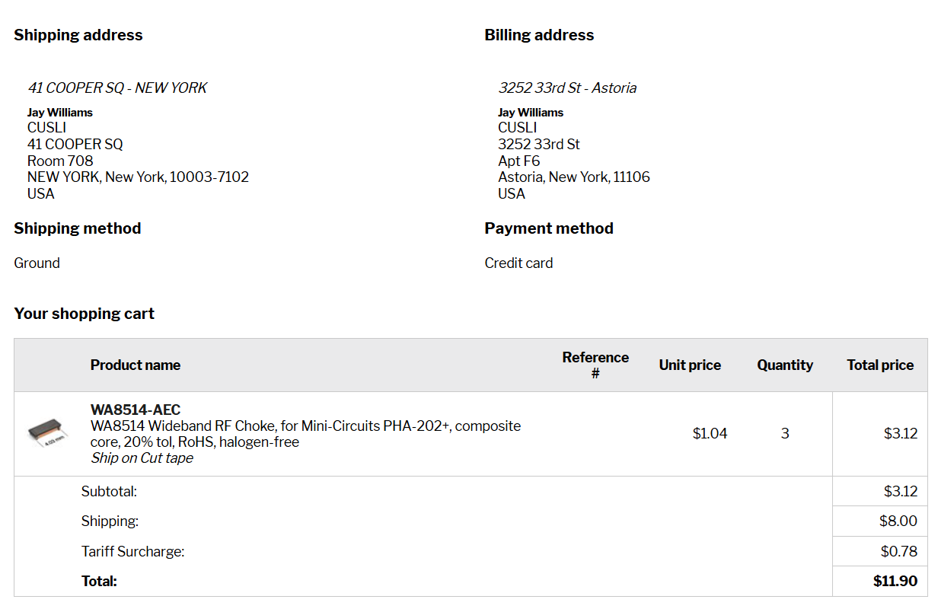
COAX CBL SMA TO SMA 7.8" | 2 | 6.62 | 13.24 | Digikey Invoice #2
IC REG LIN POS ADJ 200MA SOT-6 | 3 | 3.94 | 11.82
CONN USB 3.2 GEN 1 TYPE-A DIP | 2 | 0.94 | 1.88
TAX/SHIPPING |  |  | 4.61
PI SD Card | 1 | 9.99 | 9.99 | Amazon Invoice
Raspberry Pi | 1 | 23.89 | 23.89
Multi-Frequency RF Receiver Modules | 1 | 17.99 | 17.99
TAX/SHIPPING |  |  | 11.44
PTFE 1.5" Rod 1' Length | 1 | 37.32 | 37.32 | McMasterCarr Invoice #2 | Not originally included, added to prevent heat loss to ambient within experiment
TAX/SHIPPING |  |  | 18.63
SDcard | 1 | 29.13 | 29.13
Comms Chips |  |  | 22.68
TAX/SHIPPING |  |  | 11.21
Wideband RF Choke |  |  | 3.12
TAX/SHIPPING |  |  | 8.78
Custom PCB |  |  | 111.38
TAX/SHIPPING |  |  | 49.18 |  |  | 206.35

 |  |  | 136.35
Total | - | - | 582.84
 |  |  | Allocated | Used | Remaining
Comms |  |  | 620 | 524.65 | 95.35
Payload |  |  | 224.2 | 174.82 | 49.38
ADCS |  |  | 144.3 | 106.81 | 37.49

Total |  |  | 988.5 | 806.28 | 182.22

